Solid XS-M
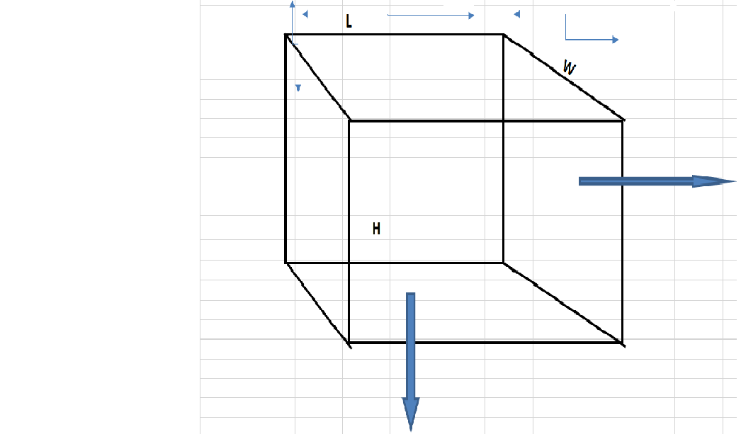
 |  |  |  |  |  | Width Side(both side)

 |  |  |  |  |  |  |  |  |  |  |  | 8411/SG

 |  |  |  |  |  |  |  |  |  |  |  |  |  | rfid sticker standar

 |  |  |  |  |  |  |  |  |  |  | 341-486111(64-17)

 |  |  |  |  |  |  |  |  |  |  |  |  |  |  |  |  | Pattern Length

 |  |  |  |  |  |  |  |  |  |  |  |  | 65-002-000 |  | >

 |  |  |  |  |  |  |  |  |  |  |  |  |  |  |  | Colour

 |  |  |  |  | (0.037M3) |  |  |  |  |  |  |  |  |  | >

 |  |  |  |  |  |  |  |  |  | 16PCS

 |  |  |  |  |  |  |  |  |  |  |  |  |  |  |  |  |  | 65-BLUE

 |  |  |  |  |  |  | Soft knitted fleece crew neck T-shirt

 |  |  |  |  |  |  |  | > | Sizes
 |  |  | Length Side (Both side)

 |  |  |  |  |  |  |  |  | XS-002

 |  |  |  |  |  |  |  |  | S-003

 |  |  |  |  |  |  |  |  | M-004

 |  |  |  | 8411/SG

 | PO NO. |  | :P0826-486111-013
 | GROSS WEIGHT |  | : KGS

 | NET WEIGHT |  | : KGS
 | MEASUREMENT |  | :L54XW31XH22 CMS(0.037M3)
 | COUNTRY OF ORIGIN |  | :INDIA

CARTON QTY REQUIRED AS PER COLOR AND SIZE WISE

COLORS |  | 65:BLUE
XS:002 |  | 1
S:003 |  | 24
M:004 |  | 50
Total |  | 75

Solid L- 3XL
 |  |  |  |  |  | Width Side(both side)

 |  |  |  |  |  |  |  |  |  |  |  | 8411/SG


 |  |  |  |  |  |  |  |  |  |  |  |  |  | rfid sticker standar

 |  |  |  |  |  |  |  |  |  |  | 341-486111(64-17)

 |  |  |  |  |  |  |  |  |  |  |  |  |  |  |  |  | Pattern Length

 |  |  |  |  |  |  |  |  |  |  |  |  | 65-005-000 |  | >

 |  |  |  |  |  |  |  |  |  |  |  |  |  |  |  | Colour

 |  |  |  |  | (0.050M3) |  |  |  |  |  |  |  |  |  | >

 |  |  |  |  |  |  |  |  |  | 16PCS

 |  |  |  |  |  |  |  |  |  |  |  |  |  |  |  |  |  | 65-BLUE

 |  |  |  |  |  |  | Soft knitted fleece crew neck T-shirt

 |  |  |  |  |  |  |  | > | Sizes
 |  |  | Length Side (Both side)

 |  |  |  |  |  |  |  |  | L-005

 |  |  |  |  |  |  |  |  | XL-006

 |  |  |  |  |  |  |  |  | XXL-007

 |  |  |  |  |  |  |  |  | 3XL-008

 |  |  |  | 8411/SG

 | PO NO. |  | :P0826-486111-013

 | GROSS WEIGHT |  | : KGS

 | NET WEIGHT |  | : KGS
 | MEASUREMENT |  | :L54XW37XH25 CMS(0.050M3)
 | COUNTRY OF ORIGIN |  | :INDIA

CARTON QTY REQUIRED AS PER COLOR AND SIZE WISE

COLORS |  | 65:BLUE
L:005 |  | 68
XL:006 |  | 37
XXL:007 |  | 2
3XL:008 |  | 2
Total |  | 109

